Sheet1
 |  | Document No. | Issue No. | Issue Date |  | Review and Replace Date |  | Authorised By
 |  | GFF254MC | 2 | 28.01.2021 |  | 02.06.2025 |  | Magda Shah
 |  | Document Title | 30 Lamb Samosa 1200G

Document amendments reason for change |  | Blue bag supplier changed | Page 1 of 1 |  | Previous Issue Date |  | 28.01.2021 | Uncontrolled copy unless signed original

FLSAC-B30B | BRAKES |  | 30 Lamb Samosa 1200g | FROZEN
STEP 1 |  |  |  |  | STEP 2
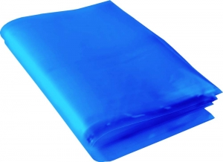 |  |  |  |  | 

Blue Bag: 13”Wx15”Lx45mu (2% Blue Tint(to be blast freeze) food Grade - PKPMC001-05 |  |  |  |  | Lamb Samosa 40g (GFF005R): 30 Pieces (1200g)

STEP 3
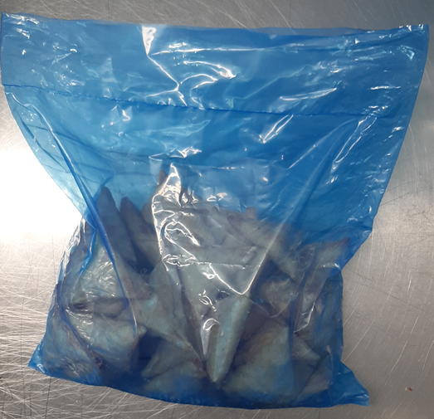 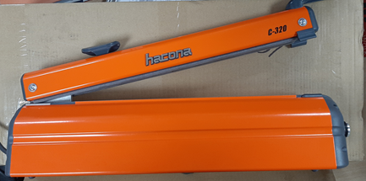

FROZEN
PACK + 1 Year

USE HAND SEALER TO SEAL THE BAG

TOTAL WEIGHT: 1200g

ALLERGY ALERT: WHEAT, SOYA

